Screen shots - p1.1
Screen Capture Appendix

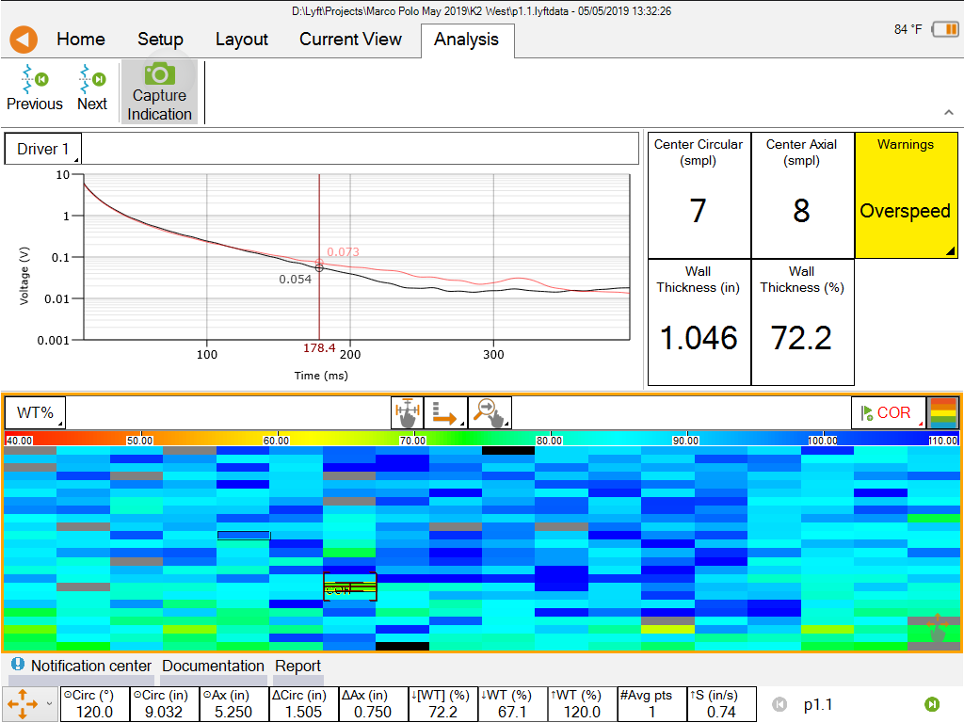
 | Filename: | p1.1

 | Code: | COR

 | Wall Thickness (%): | 72.2 %

 | Compensated WT (%): | Invalid

 | Wall Thickness: | 1.046 in

 | Nominal WT: | 1.450 in

 | Comment:

Screen shots - P 1.4
Screen Capture Appendix

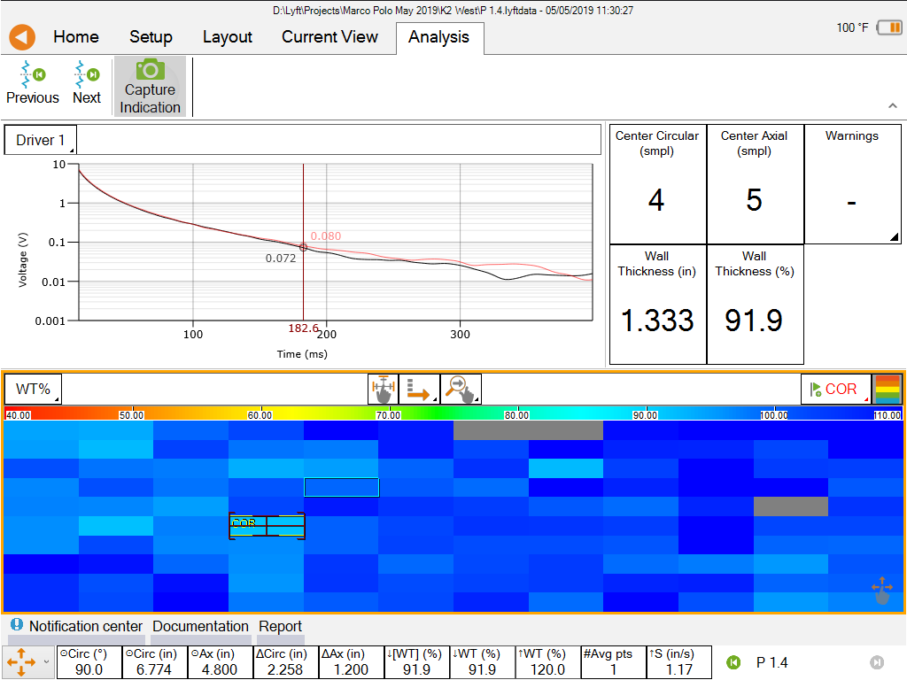
 | Filename: | P 1.4

 | Code: | COR

 | Wall Thickness (%): | 91.9 %

 | Compensated WT (%): | Invalid

 | Wall Thickness: | 1.333 in

 | Nominal WT: | 1.450 in

 | Comment:

